all
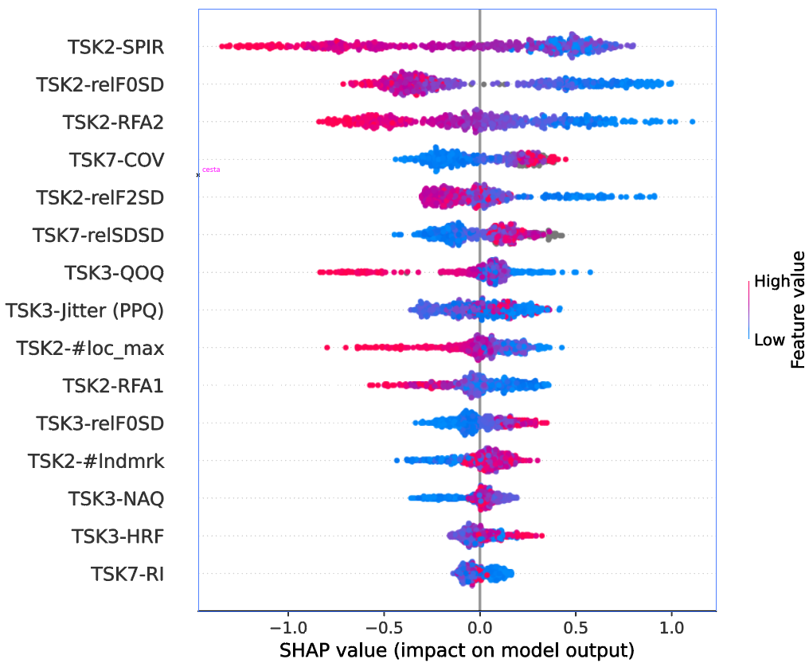
 | CZ | US | IL | CO | IT | overall | normalized
TSK3-HRF | 0.052657973021 | 0.042646937072 | 0.041563399136 | 0.058384146541 | 0.010862614028 | 5.9195995062E-08 | 0.0082668762686 | TSK2-relF0SD | 1 |  | cross-validation |  |  |  |  | cross-language validation (MCC) |  |  |  |  |  |  | Leave one language out (MCC)
TSK3-NAQ | 0.051071308553 | 0.06923057884 | 0.045722138137 | 0.0510998182 | 0.17038425803 | 1.4075061532E-06 | 0.19656193301 | TSK2-SPIR | 0.76752619011
TSK3-QOQ | 0.063507184386 | 0.065867237747 | 0.02854709141 | 0.047755248845 | 0.11122170091 | 6.3425634433E-07 | 0.088575565216 | TSK2-RFA1 | 0.6905041064 |  |  | mcc | acc | sen | spe | TESTING | TRAINING |  |  |  |  |  |  | all features
TSK3-relF0SD | 0.043752267957 | 0.021229960024 | 0.10853546113 | 0.089479587972 | 0.022750301287 | 2.0522607084E-07 | 0.028660360096 | TSK2-RFA2 | 0.26811981324 |  |  | all features |  |  |  |  | CZ | US | IL | CO | IT |  |  | CZ | US | IL | CO | IT
TSK3-Jitter (PPQ) | 0.063317209482 | 0.058041721582 | 0.038890432566 | 0.083559654653 | 0 | 0 | 0 | TSK2-#loc_max | 0.20016847088 |  | CZ | 0.33 ± 0.20 | 70 ± 8 | 86 ± 9 | 43 ± 17 |  | all features |  |  |  |  |  | mcc | 0.16 | 0.48 | 0.3 | 0 | 0.49
TSK2-RFA1 | 0.083150275052 | 0.096092246473 | 0.038667757064 | 0.095030851662 | 0.16840365529 | 4.9444404808E-06 | 0.6905041064 | TSK3-NAQ | 0.19656193301 |  | US | 0.43 ± 0.54 | 70 ± 26 | 75 ± 42 | 68 ± 37 | CZ | 0.78 | 0.21 | 0.13 | 0.06 | 0.19 |  | acc | 0.58 | 0.76 | 0.53 | 0.5 | 0.73
TSK2-RFA2 | 0.074480585754 | 0.062940083444 | 0.063389115036 | 0.069360360503 | 0.093150109053 | 1.919905249E-06 | 0.26811981324 | TSK3-QOQ | 0.088575565216 |  | IL | 0.37 ± 0.35 | 79 ± 11 | 58 ± 36 | 83 ± 11 | US | 0.5 | 1 | -0.11 | -0.24 | 0.22 |  | sen | 0.59 | 0.45 | 0.95 | 0.78 | 0.64
TSK2-#loc_max | 0.058638349175 | 0.058623470366 | 0.046361461282 | 0.056856140494 | 0.1581826359 | 1.4333312159E-06 | 0.20016847088 | TSK3-relF0SD | 0.028660360096 |  | CO | 0.42 ± 0.27 | 70 ± 13 | 62 ± 21 | 78 ± 20 | IL | 0.27 | 0.07 | 0.94 | 0.08 | 0.23 |  | spe | 0.58 | 0.94 | 0.45 | 0.22 | 0.85
TSK2-relF2SD | 0.080100983381 | 0.11128005385 | 0.029164776 | 0.059572197497 | 0 | 0 | 0 | TSK3-HRF | 0.0082668762686 |  | IT | 0.71 ± 0.31 | 85 ± 5 | 86 ± 19 | 83 ± 27 | CO | 0.06 | -0.14 | 0.09 | 1 | 0.18
TSK2-#lndmrk | 0.058533955365 | 0.053735263646 | 0.15271314979 | 0.063401050866 | 0 | 0 | 0 | TSK2-#lndmrk | 0 |  | all | 0.45 ± 0.12 | 72 ± 6 | 79 ± 8 | 66 ± 9 | IT | 0.48 | 0.34 | 0.32 | -0.03 | 1
TSK7-relSDSD | 0.063251368701 | 0.05038157478 | 0.097400486469 | 0.093404874206 | 0 | 0 | 0 | TSK7-relSDSD | 0 |  |  | only robust features |  |  |  |  | only robust features |  |  |  |  |  |  | only robust features
TSK7-COV | 0.063545353711 | 0.043888796121 | 0.079492338002 | 0.052553363144 | 0 | 0 | 0 | TSK2-relF2SD | 0 |  | CZ | 0.21 ± 0.20 | 64 ± 8 | 80 ± 10 | 39 ± 18 | CZ | 1 | 0.3 | 0.11 | 0.14 | 0.17 |  | mcc | 0.23 | 0.24 | 0.13 | 0.15 | 0.47 | compare
TSK7-RI | 0.057997949421 | 0.035984564573 | 0.095293693244 | 0.038675233722 | 0 | 0 | 0 | TSK3-Jitter (PPQ) | 0 |  | US | 0.30 ± 0.56 | 69 ± 25 | 47 ± 48 | 83 ± 29 | US | 0.63 | 1 | -0.27 | 0.06 | 0.08 |  |  | 0.07 | -0.24 | -0.17 | 0.15 | -0.02 | -0.21
TSK2-relF0SD | 0.10732935369 | 0.10650809854 | 0.05183987692 | 0.075423792005 | 0.16020549834 | 7.1606242961E-06 | 1 | TSK7-COV | 0 |  | IL | 0.47 ± 0.38 | 84 ± 11 | 60 ± 38 | 89 ± 10 | IL | 0.06 | 0.01 | 0.72 | 0.32 | 0.17 |  | acc | 0.61 | 0.66 | 0.36 | 0.56 | 0.73
TSK2-SPIR | 0.078665748239 | 0.12354943156 | 0.082418762147 | 0.065443687141 | 0.10483922809 | 5.4959666848E-06 | 0.76752619011 | TSK7-RI | 0 |  | CO | 0.31 ± 0.30 | 65 ± 14 | 64 ± 21 | 65 ± 21 | CO | 0.22 | 0 | 0.24 | 1 | 0.21 |  | sen | 0.57 | 0.09 | 0.89 | 0.86 | 0.68
součet | 0.99999986589 | 1.0000000186 | 0.99999993833 | 1.0000000075 | 1.0000000009 |  |  |  |  |  | IT | 0.70 ± 0.33 | 84 ± 16 | 90 ± 17 | 77 ± 31 | IT | 0.34 | 0.43 | 0.24 | 0.37 | 0.83 |  | spe | 0.67 | 1 | 0.25 | 0.26 | 0.8
max |  |  |  |  |  | 7.1606242961E-06 |  |  |  |  | all | 0.39 ± 0.12 | 69 ± 6 | 66 ± 9 | 72 ± 8
 |  |  |  |  |  |  |  |  |  |  |  |  |  |  |  | CZ | 0.22 | 0.09 | -0.02 | 0.08 | -0.02
TSK3-Jitter (PPQ) | 0.063317209482 | 0.058041721582 | 0.038890432566 | 0.083559654653 | 0 | 1.1942670826E-05 | 0.39215821298 | TSK2-#lndmrk | 1 |  |  |  |  |  |  | US | 0.13 | 0 | -0.16 | 0.3 | -0.14
TSK2-relF2SD | 0.080100983381 | 0.11128005385 | 0.029164776 | 0.059572197497 | 0 | 1.5486648483E-05 | 0.50853083724 | TSK7-relSDSD | 0.95198955729 |  | stratified cross-validation all lang two most important |  |  |  |  | IL | -0.21 | -0.06 | -0.22 | 0.24 | -0.06
TSK2-#lndmrk | 0.058533955365 | 0.053735263646 | 0.15271314979 | 0.063401050866 | 0 | 3.0453705752E-05 | 1 | TSK2-relF2SD | 0.50853083724 |  | CZ | US | IL | CO | IT | CO | 0.16 | 0.14 | 0.15 | 0 | 0.03
TSK7-relSDSD | 0.063251368701 | 0.05038157478 | 0.097400486469 | 0.093404874206 | 0 | 2.8991609857E-05 | 0.95198955729 | TSK3-Jitter (PPQ) | 0.39215821298 | allf |  |  |  |  |  | IT | -0.14 | 0.09 | -0.08 | 0.4 | -0.17 | compare
TSK7-COV | 0.063545353711 | 0.043888796121 | 0.079492338002 | 0.052553363144 | 0 | 1.1651001389E-05 | 0.38258074349 | TSK7-COV | 0.38258074349 | sf |  |  |  |  |  |  | 0.16 | 0.26 | -0.33 | 1.02 | -0.36 | 0.75
TSK7-RI | 0.057997949421 | 0.035984564573 | 0.095293693244 | 0.038675233722 | 0 | 7.6917648152E-06 | 0.25257237585 | TSK7-RI | 0.25257237585 | 2f
součet | 0.38674682006 | 0.35331197456 | 0.49295487607 | 0.39116637409 | 0
max |  |  |  |  |  | 3.0453705752E-05

